Copyright & Disclaimer
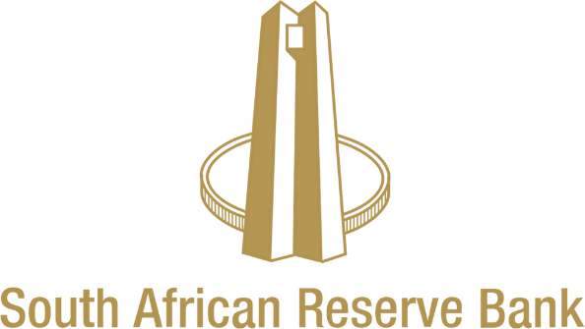


Copyright
Copyright for this data is held by the South African Reserve Bank. Please refer to the SARB/BER if you quote this data. Copyright for this data is held by the South African Reserve Bank. The Bureau for Economic Research (BER), a division of Stellenbosch University, conducts the survey and publishes this data on behalf of the Reserve Bank. Although reasonable professional skill, care and diligence are exercised to record and interpret all information correctly, Stellenbosch University, its division BER, the author(s) and the Reserve Bank do not accept any liability for any direct or indirect loss that might result from unintentional inaccurate data and interpretations provided by the BER as well as any interpretations by third parties. Stellenbosch University and the Reserve Bank further accept no liability for the consequences of any decisions or actions taken by any third party on the basis of the data provided.

Disclaimer
Although reasonable professional skill, care and diligence are exercised to record and interpret all data correctly, Stellenbosch University, its division BER and the author(s)/editor do not accept any liability for any direct or indirect loss whatsoever that might result from unintentional inaccurate data and interpretations provided by the BER as well as any interpretations by third parties. Stellenbosch University further accepts no liability for the consequences of any decisions or actions taken by any third party on the basis of the data provided on this website. The views, conclusions or opinions contained in this data are those of the BER and do not necessarily reflect those of Stellenbosch University. Stellenbosch University and its division BER accept no responsibility or liability for the improper operation of this web site (including any associated software).

